Microsoft BI Overview

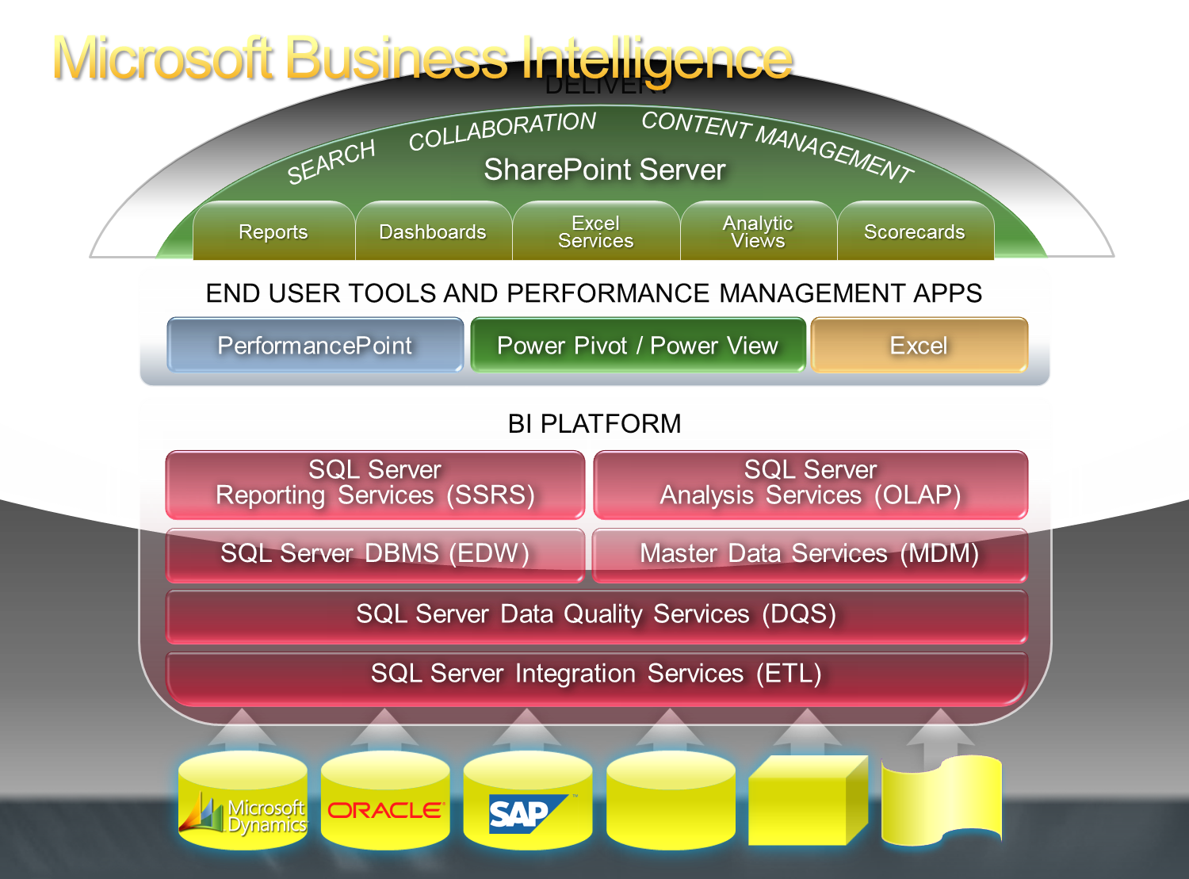

P&L
Enter Year: | 2008 |  | Enter Type: | Fiscal |  |  | Units

My New P&L w/ Microsoft Business Intelligence Tools

Gross Sales & Margin
 | Gross Sales | Gross Margin
Actual | 26,635 | 17,494
Budget | 18,573 | 6,376
Prior Year | 24,553 | 16,182
Sales & Margin Overview
 | Actual | Budget | Prior Year
Gross Sales | 26,635 | 18,573 | 24,553
Net Sales | 25,334 | 13,584 | 23,193
Gross Margin | 17,494 | 6,376 | 16,182
 | FY 2008 |  |  |  | FY 2007
 | Actual ($K) | Budget ($K) | Budget Var ($K) | Budget Var (%) | Actual ($K) | Prior Var ($) | Prior Var (%)
Gross Sales | 26,635 | 18,573 | 8,062 | 43.4% | 24,553 | 2,081 | 7.8%
Trade Sales | 25,504 | 17,852 | 7,653 | 42.9% | 23,489 | 2,015 | 7.9%
Intercompany Sales | 1,130 | 721 | 409 | 56.7% | 1,065 | 66 | 5.8%
Returns and Adjustments | <760> | <706> | <53> | 7.6% | 1,034 | <1,794> | 236.2%
Discounts | <541> | <4,282> | 3,741 | <87.4%> | 326 | <867> | 160.2%
Net Sales | 25,334 | 13,584 | 11,749 | 86.5% | 23,193 | 2,141 | 8.4%

Total Cost of Sales | 7,840 | 7,208 | 632 | 8.8% | 7,011 | 829 | 10.6%
Standard Cost of Sales | 7,000 | 6,652 | 348 | 5.2% | 5,735 | 1,265 | 18.1%
Variances | 840 | 556 | 284 | 51.0% | 1,276 | <436> | <51.9%>

Gross Margin | 17,494 | 6,376 | 11,118 | 174.4% | 16,182 | 1,311 | 7.5%
Current Expense Breakdown
Operating Expenses | 11,331 | 7,198 | 4,133 | 57.4% | 9,901 | 1,430 | 12.6%
Operating Profit (EBIT) | 6,162 | <822> | 6,984 | <849.7%> | 6,281 | <119> | <1.9%>

Other Income and Expense | 18 | 18 | 0 | 0.5% | 16 | 2 | 11.0%
Interest Income | 44 | 44 | <0> | <0.8%> | 31 | 13 | 28.8%
Interest Expense | <68> | <68> | 0 | <0.3%> | 48 | <116> | 171.2%
Gain/Loss on Sales of Asset | <54> | <54> | <0> | 0.8% | <39> | <16> | 28.8%
Other Income | 39 | 39 | 0 | 0.7% | <1> | 40 | 103.2%
Curr Xchg Gain/(Loss) | 57 | 57 | <0> | <0.6%> | 73 | <16> | <27.6%>

Taxes | 1,428 | <205> | 1,633 | <794.7%> | 1,690 | <263> | <18.4%>

Net Income | 4,753 | <598> | 5,351 | <894.2%> | 4,607 | 146 | 3.1%

Headcount | 103 | 100 | 3 | 3.0% | 99 | 4 | 3.9%

Net Income / Head | 46 | <6> |  |  | 47

Dashboarding and Scorecarding
My New Financial Dashboard Using Out of the Box MS Technologies
 |  |  |  |  |  |  |  |  |  | 2006-01-01 | 2006-02-01 | 2006-03-01 | 2006-04-01 | 2006-05-01 | 2006-06-01 | 2006-07-01 | 2006-08-01 | 2006-09-01 | 2006-10-01 | 2006-11-01 | 2006-12-01 | 2007-01-01 | 2007-02-01 | 2007-03-01 | 2007-04-01 | 2007-05-01 | 2007-06-01 | 2007-07-01 | 2007-08-01 | 2007-09-01 | 2007-10-01 | 2007-11-01 | 2007-12-01 | 2008-01-01 | 2008-02-01 | 2008-03-01 | 2008-04-01 | 2008-05-01 | 2008-06-01 | 2008-07-01 | 2008-08-01 | 2008-09-01 | 2008-10-01 | 2008-11-01 | 2008-12-01
 | Financial Metric | 2006 |  | 2007 |  | 2008 |  |  |  | January 2006 | February 2006 | March 2006 | April 2006 | May 2006 | June 2006 | July 2006 | August 2006 | September 2006 | October 2006 | November 2006 | December 2006 | January 2007 | February 2007 | March 2007 | April 2007 | May 2007 | June 2007 | July 2007 | August 2007 | September 2007 | October 2007 | November 2007 | December 2007 | January 2008 | February 2008 | March 2008 | April 2008 | May 2008 | June 2008 | July 2008 | August 2008 | September 2008 | October 2008 | November 2008 | December 2008
 |  | Amount | KPI | Amount | KPI | Amount | KPI |  |  | January 2006 | February 2006 | March 2006 | April 2006 | May 2006 | June 2006 | July 2006 | August 2006 | September 2006 | October 2006 | November 2006 | December 2006 | January 2007 | February 2007 | March 2007 | April 2007 | May 2007 | June 2007 | July 2007 | August 2007 | September 2007 | October 2007 | November 2007 | December 2007 | January 2008 | February 2008 | March 2008 | April 2008 | May 2008 | June 2008 | July 2008 | August 2008 | #N/A | #N/A | #N/A | #N/A
 | Net Income | 1,404 | 0 | 1,310 | 0 | 436 | -1 | -6.71 | -15.428845154 | -46 | 135 | 69 | -22 | 270 | 76 | 124 | 217 | 189 | 109 | 173 | 110 | 49 | 93 | 8 | 126 | 168 | 90 | 23 | 209 | 261 | 26 | 170 | 87 | -52 | 97 | 24 | -17 | 68 | 104 | 106 | 107 | #N/A | #N/A | #N/A | #N/A
 | Operating Profit | 1,827 | -1 | 1,713 | -1 | 639 | -1 | -6.26 | -14.39891206 | -40 | 164 | 99 | -10 | 328 | 98 | 166 | 263 | 242 | 150 | 218 | 149 | 79 | 127 | 32 | 159 | 214 | 120 | 52 | 246 | 310 | 47 | 209 | 117 | -38 | 127 | 42 | -2 | 97 | 136 | 137 | 139 | #N/A | #N/A | #N/A | #N/A
 | Operating Expenses | 1,362 | -1 | 1,705 | -1 | 1,338 | -1 | 25.13 | 57.787955982 | 82 | 97 | 96 | 104 | 113 | 109 | 127 | 115 | 132 | 134 | 127 | 127 | 123 | 127 | 130 | 124 | 111 | 119 | 141 | 167 | 173 | 152 | 163 | 176 | 170 | 164 | 152 | 165 | 177 | 168 | 170 | 172 | #N/A | #N/A | #N/A | #N/A
 | Gross Margin | 3,189 | -1 | 3,417 | -1 | 1,976 | -1 | 7.15 | 16.436308101 | 42 | 262 | 195 | 94 | 441 | 207 | 293 | 377 | 374 | 284 | 345 | 276 | 203 | 254 | 162 | 282 | 324 | 240 | 193 | 413 | 483 | 199 | 372 | 293 | 131 | 291 | 195 | 163 | 274 | 304 | 307 | 312 | #N/A | #N/A | #N/A | #N/A
 | Net Sales | 4,579 | -1 | 4,837 | -1 | 2,926 | 0 | 5.63 | 12.948836378 | 79 | 380 | 324 | 144 | 574 | 339 | 448 | 493 | 546 | 384 | 452 | 416 | 291 | 339 | 291 | 361 | 449 | 389 | 273 | 560 | 654 | 278 | 509 | 443 | 190 | 406 | 315 | 241 | 422 | 445 | 451 | 457 | #N/A | #N/A | #N/A | #N/A
 | Gross Sales | 4,809 | -1 | 5,098 | -1 | 3,016 | 1 | 6.00 | 13.794022061 | 81 | 399 | 324 | 144 | 586 | 364 | 524 | 526 | 556 | 418 | 458 | 430 | 298 | 370 | 319 | 387 | 471 | 425 | 306 | 566 | 693 | 281 | 519 | 462 | 198 | 413 | 324 | 245 | 441 | 459 | 464 | 471 | #N/A | #N/A | #N/A | #N/A
 | Returns and Adjustments | 163 | -1 | 232 | -1 | 69 | 1 | 42.13 | 96.887644442 | 2 | 19 |  |  | 11 | 7 | 44 | 22 | 8 | 30 | 7 | 13 | 4 | 31 | 28 | 23 | 20 | 35 | 27 |  | 32 | 3 | 10 | 18 | 8 | 8 | 9 | 5 | 12 | 9 | 9 | 9 | #N/A | #N/A | #N/A | #N/A
 | Discounts | 67 | -1 | 29 | -1 | 21 | -1 | -56.91 | -130.89439269 |  | 0 |  |  | 0 | 19 | 32 | 11 | 1 | 3 | 0 | 1 | 2 | 0 |  | 3 | 2 | 1 | 6 | 6 | 7 | 0 | 0 | 1 | 0 |  | 0 | 0 | 7 | 5 | 5 | 5 | #N/A | #N/A | #N/A | #N/A
 | Total Cost of Sales | 1,390 | 1 | 1,420 | 1 | 950 | 1 | 2.15 | 4.9448947402 | 37 | 118 | 129 | 50 | 134 | 132 | 155 | 116 | 172 | 101 | 107 | 141 | 89 | 85 | 129 | 79 | 125 | 149 | 80 | 147 | 170 | 79 | 137 | 150 | 59 | 115 | 120 | 77 | 148 | 141 | 143 | 145 | #N/A | #N/A | #N/A | #N/A
 | Other Income and Expense | 3 | 1 | 3 | 1 | 6 | 1 | 23.79 | 54.710498648 | 0 | 0 | 0 | 0 | 0 | 2 | 0 | 0 | 0 | 0 | 0 | 0 | 0 | 0 | 0 | 0 | 0 | 2 | 0 | 0 | 0 | 0 | 0 | 0 | 0 | 0 | 0 | 0 | 0 | 2 | 2 | 2 | #N/A | #N/A | #N/A | #N/A
 | Interest Income | 4 | 1 | 5 | 1 | 4 | 1 |  |  | 0 | 0 | 0 | 0 | 0 | 0 | 0 | 0 | 0 | 0 | 0 | 0 | 0 | 0 | 0 | 0 | 0 | 0 | 1 | 0 | 0 | 0 | 0 | 1 | 1 | 0 | 0 | 0 | 1 | 1 | 1 | 1 | #N/A | #N/A | #N/A | #N/A
 | Interest Expense | 6 | 1 | 8 | 1 | 6 | 1 |  |  | 0 | 0 | 0 | 0 | 1 | 0 | 1 | 1 | 1 | 1 | 1 | 1 | 1 | 1 | 1 | 1 | 1 | 0 | 1 | 1 | 1 | 1 | 1 | 1 | 1 | 1 | 1 | 1 | 1 | 1 | 1 | 1 | #N/A | #N/A | #N/A | #N/A
 | Gain/Loss on Sales of Asset | -5 | 1 | -6 | 1 | -5 | 1 | 06-07 | 07-08 | 0 | 0 | 0 | 0 | 0 | 0 | 0 | 0 | 0 | -1 | 0 | 0 | 0 | -1 | 0 | 0 | 0 | 0 | -1 | -1 | -1 | -1 | -1 | -1 | -1 | -1 | -1 | -1 | -1 | -1 | -1 | -1 | #N/A | #N/A | #N/A | #N/A
 | Other Income | -6 | 1 | -6 | 1 | -33 | 1 | 6.71 | 66.72 | 1 | 1 | 1 | 1 | 1 | -13 | 1 | 1 | 1 | 1 | 1 | 1 | 1 | 1 | 1 | 1 | 1 | -16 | 1 | 1 | 1 | 1 | 1 | 1 | 1 | 1 | 1 | 1 | 1 | -13 | -13 | -13 | #N/A | #N/A | #N/A | #N/A
 | Curr Xchg Gain/(Loss) | 16 | 1 | 19 | 1 | 46 | 1 | 6.26 | 62.71 |  |  |  |  |  | 16 |  |  |  |  |  |  |  |  |  |  |  | 19 |  |  |  |  |  |  |  |  |  |  |  | 15 | 15 | 16 | #N/A | #N/A | #N/A | #N/A
 | Taxes | 426 | 1 | 406 | 1 | 209 | 1 | 25.13 | 21.52 | 5 | 29 | 30 | 12 | 59 | 24 | 42 | 46 | 54 | 41 | 44 | 39 | 30 | 34 | 24 | 33 | 45 | 33 | 29 | 37 | 49 | 21 | 40 | 30 | 14 | 30 | 18 | 16 | 30 | 33 | 34 | 34 | #N/A | #N/A | #N/A | #N/A
 |  |  |  |  |  |  |  | 7.15 | 42.17
 |  |  |  |  |  |  |  | 5.63 | 39.50
 |  |  |  |  |  |  |  | 6.00 | 40.84
 |  |  |  |  |  |  |  | 42.13 | 70.27
 |  |  |  |  |  |  |  | 56.91 | 28.78
 |  |  |  |  |  |  |  | 2.15 | 33.09

